Aircraft
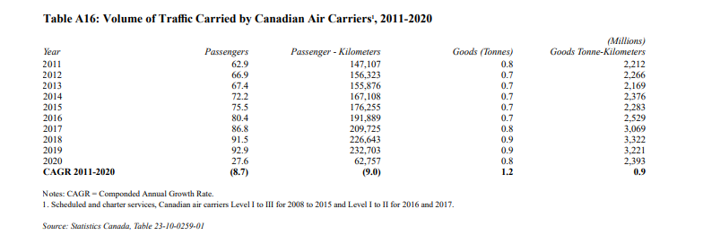

 | Passengers | passenger kms |  | freight | freight km
2018 | 91.5 | 226643 | 20737834.5 |  | 3322
 |  |  | 12885892.948

Rail Passengers
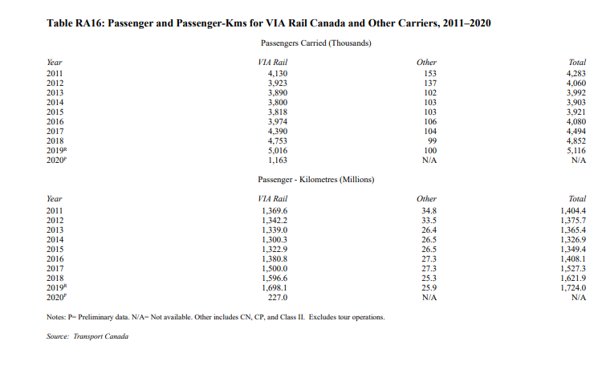

2018
Passengers | 4852000
KMs | 1621.9 | 1621900000

Rail Freight
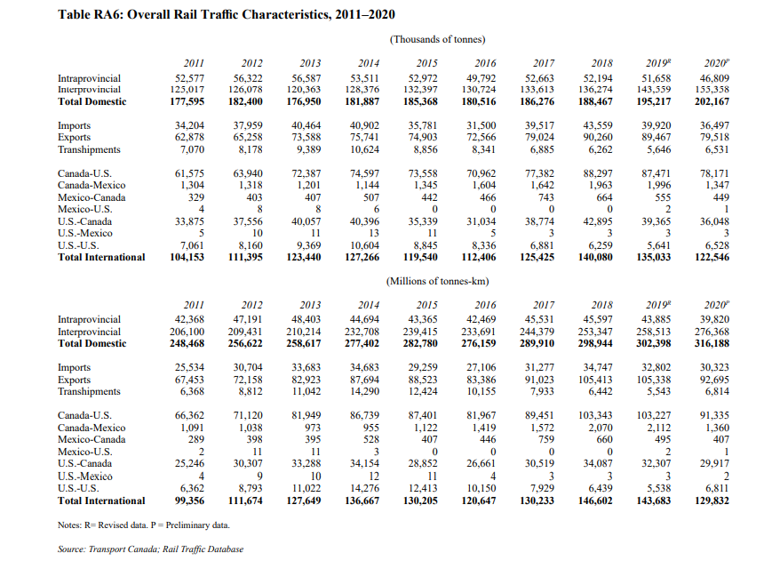

298944

Rail fleet
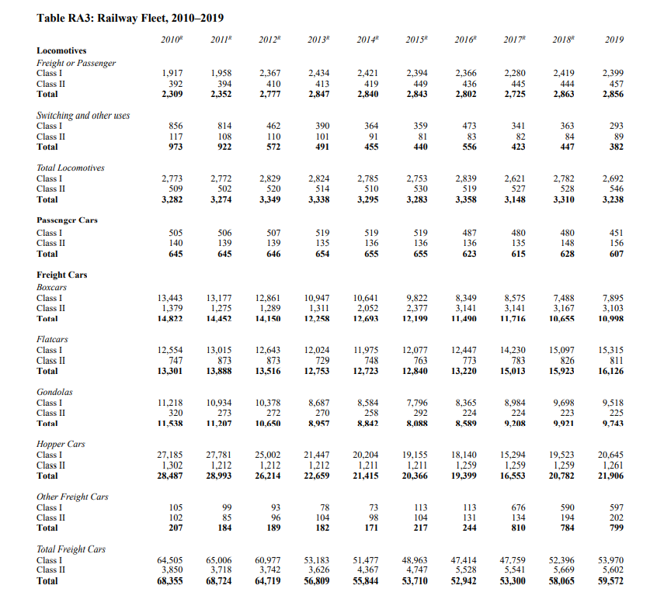

Since locomotives aren't divided into passenger and freight (in fact, the same locomotive might be used for both types of cargo), we
divide up the locomotives according to the number of cars of each type, adjusted for the average number of cars per train.
Cars per passenger train (avg.) | 5
Cars per freight train (avg.) | 50

Est. trains by type
passengers | 125.6
freight | 1161

Est. locomotives by type
passengers | 279
freight | 2584

